4. Project Questionnairre
Project Questionnaire

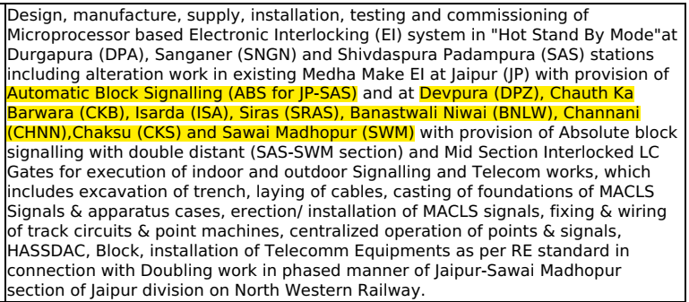
1. Inquiry is for
a) Project in Hand
b) Upcoming Tender
c) Budgetary Quote

2. Complete Tender Document along with the annexures
a) Attached
b) Not Available

3. Signal Interlocking Plan
a) Attached
b) Not Available

4. Type of Product | FAdC R2

5. Application for which MSDAC is being procured for | Application / Single detection / dual detection
a) Stations
b) Auto Block Signalling
c) Intermediate Block Signalling
d) Absolute Block Application
e) Level Crossing
f) Others
Application details if “F” is selected:

6. Volume (Total Number of DPs and TS) | 550 DP as per NIT

7. Cable length is given in Tender Documents/PO |  | Please Specify
a) YES
a) NO( if NO, please consider as per mentioned guidelines)

8. Rail Profile |  | Please Specify(if nothing is mentioned into Tender document , Please refer guidelines)
a) INDIAN RAILWAY
B) METROS

9. Vehicle Parameters
a) Attached
b) Not Available

10 (A) Station Application. Kindly clarify
I. the type of architecture to be considered
a) Centralised
b) Decentralised

II. In case of Decentralised Architecture kindly give the details regarding number of Number of Locations / Goomties to be considered in each station | Refer Sheet No 17.

III. Separate Evaluator has to be considered for UP line and DN Lines
c) Yes
d) NO
e) Any other as per the Tender Requirement

IV. Detection Points and Track Section Details in Stations for Goomty wise (UP Line & DN Line wise if required) for the complete project | Refer Sheet No 17.

10 (B) Auto Block Application. Kindly clarify
I. Number of Auto Location Huts in between the Stations | Refer Sheet No 17.

II.Number of Signals to be considered for UP line and DN Line for each ALH | Refer Sheet No 17.

III.Number of Detection Points and Track Sections to be considered per Auto Location Hut / Auto location Hut wise or attach SIP for the Project | Refer Sheet No 17.

IV. Separate Evaluator has to be considered for UP line and DN Lines
c) Yes
d) NO
e) Any other as per the Tender Requirement
V. Formation of track section (Continous/ Overlapped)

VI. Separate DP/TS provided for LSS/FSS/LC gates (Comment IF any)
VII Separate Evaluator has to be considered for UP line and DN Lines
a) Yes
b) NO
c) Any other as per the Tender Requirement

10 (C). Intermediate Block Signalling Application, Kindly Clarify
I. Number of Intermediate Block sections to be considered

II. If redundant, then whether UP Main / DN Redundant can be combined in one Evaluator
III. Separate Evaluator has to be considered for UP line and DN Lines
a) Yes
b) NO
c) Any other as per the Tender Requirement

11. Datatransmission for resetting/ LVPR/ACPR and Coperation is required or not , If yes
11.I. Data Transmission for Resetting/ Cooperation included.
11.II. Any other signalling vital/Non vital data to be transferred

12. Reset Requirement (Manually or Through EI)
14.a) LV box required in case of Station Yard
14.b) Auto reset through AFTC/DCTC/Other Axle counter.

13. Is Supervisory track section is required? |  | Not applicable for station yard application
a) Yes
b) NO

If “Yes“- Kindly clarify
a) If Virtual Supervisory has to be considered
b) If additional Detection Points have to be considered for Supervisory Application
c) If output has to be given for Supervisory Track Sections
d) if ouput is required in case of Virtual supervisory track.
e) mandatory* FDS is to be considered.

14. Communication Media | Comment if Any
14(i). Communication Media b/w evalautor to evaluator(single/Dual) | Dual | Single | Quad
14(ii).Ethernet switch considered (Quad/ OFC/ Both Quad/OFC/Other | OFC | Dual | OFC
 |  |  | Both Quad & OFC

15. FDS considered | yes | yes
 |  | no

16. Services Required |  |  | other
a) Supervision of Installation, Testing and Commissioning
b) Installation, Testing and Commissioning

17. Training required
a) End Customer
b) Sub-contractor
Training required for Number of Mandays:

18. Spare Requirement | Refer Assumption list
a) Yes
b) NO
if yes* separate schedule for spare or not

If Yes Kindly specify if it is required for | NA
a) All the components inc. Mechanical Components
b) Sensors (incl. Rail Claw and BBK) and Boards
c) Sensors(incl. Rail Claw and BBK), Boards and Backplanes
d) Any other as per tender requirement
% of Spares required

19. Spare Slot Requirement
a) Yes
b) NO
% of Spare Slot required

20. Tool Kit requirement
a) YES
b) NO
if yes* separate schedule or nor ( Please specify Requirement)

21. Delivery Period

22. Other comments if any :

Other General Guideines for Technical BOM
As a standard practice, Please make a note of following : 1. 1 No COM Board per Cubicle Max 40 AEB configuration can be done in COM Board, PSC quantity can be decided as per technical requirement. 2. AEB Boards and BSI are always equal to No of Wheel Sensors 3. In metros, No need to consider deflector Plates. 4. For single detetion system , maximum we will go with BP-EXB-1 and BP-EXB-2 5. For Dual detetion system , maximum we will go with BP-EXB-4 6. 15U Cubicle- 4 IO-Exb and only one BGT with switches 7. 20U Cubicle- 10 IO-Exb and 2 BGT with switches. 8. 35U Cubicle- 20 IO-exb and 4 BGT with switches. 9. Reset Box Qty : For Station : equal to No of Track section and For automatic block section : each line, each system can have one reset Box 10. Reset cubicle: For station : maximum 22 reset box can be accomodated. 11. Reset cooperative panel : for station and auto block , IBH, ABSOLUTE- maximum 6 reset box can be accomodated with 2 cooperation Key 12. For supervisory track section , FDS is mandatory 13. 1 FDS equal to 110 participants(Maximum Limit) 14. For data transimission : 3 vital inputs can be sent through one IO in Quad mode and 6 non -vital inputs can be sent through one IO in Dual mode. 12 non -vital inputs can be sent through one IO in Single mode. Accordingly we should calcuate the Qty of IO-EXB for data transmission. 1 AEB Can maximum sent 24 arguments 15. 1 No of IO-EXB will be for output 2 track section 16. Cable Length if not specified in tender document. For Station Application : 1) For single detection -(75% of 5 Metre, 15% of 10 Metre and 10 % of 15 Metre) 2) Dual Detection System , for redundant system (75% of 10 Metre for redundant system , 25% of 15 Metre) and (75% of 5 Metre, 15% of 10 Metre and 10 % of 15 Metre) for non redundant system(main system) For Auto Block Application : ( 50% of 5 Metre, 50% of 10 Metre ) FOR IBH Application : 1) For single detection all with 5 Metre 2) For dual detection - 50% of 5

